Introduction
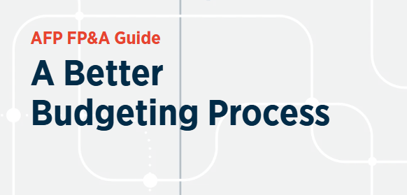
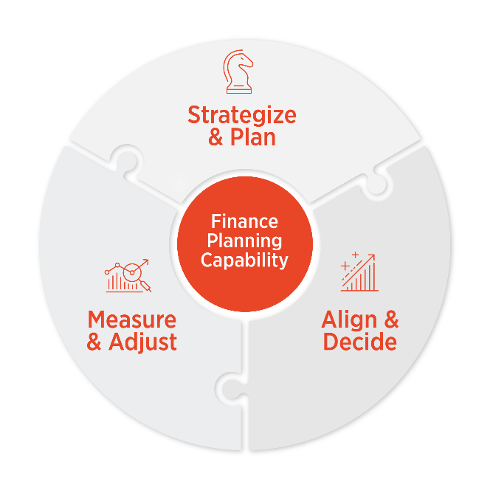


This companion to the AFP Guide: A Better Budgeting Process adds additional details for finance teams that want to rethink how they budget. At its best, the budget is the corporate operating system that connects strategy to near-term direction, aligns leaders and managers around shared financial, operational and qualitative commitments, and gives the organization a way to check progress through the year.
This guide shows how to make that happen. It breaks the budgeting cycle into the work that actually matters: strategize, plan, align, decide, measure and adjust. It also puts finance where it belongs — at the center of this company-wide effort to turn ambition into action.
There is no single “best” way for every company to budget. The goal is to help you understand the purpose, risks and better practices at each stage so you can design a process that fits your company’s sophistication, aspirations and current level of maturity.
Done well, the budget becomes a tool for better decisions — not an annual exercise that the team strives to survive.

Budget Detail
Actions | Why Budget? | Decisions | Processes | Tips & Tricks | Technology | Pain Points

Steps
Strategize |  |  |  |  |  |  | 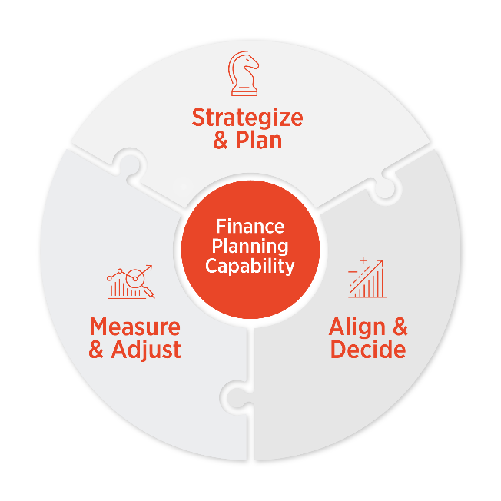
Plan
Align
Decide
Measure
Adjust
Financial Planning Capability

